Use Case Diagram
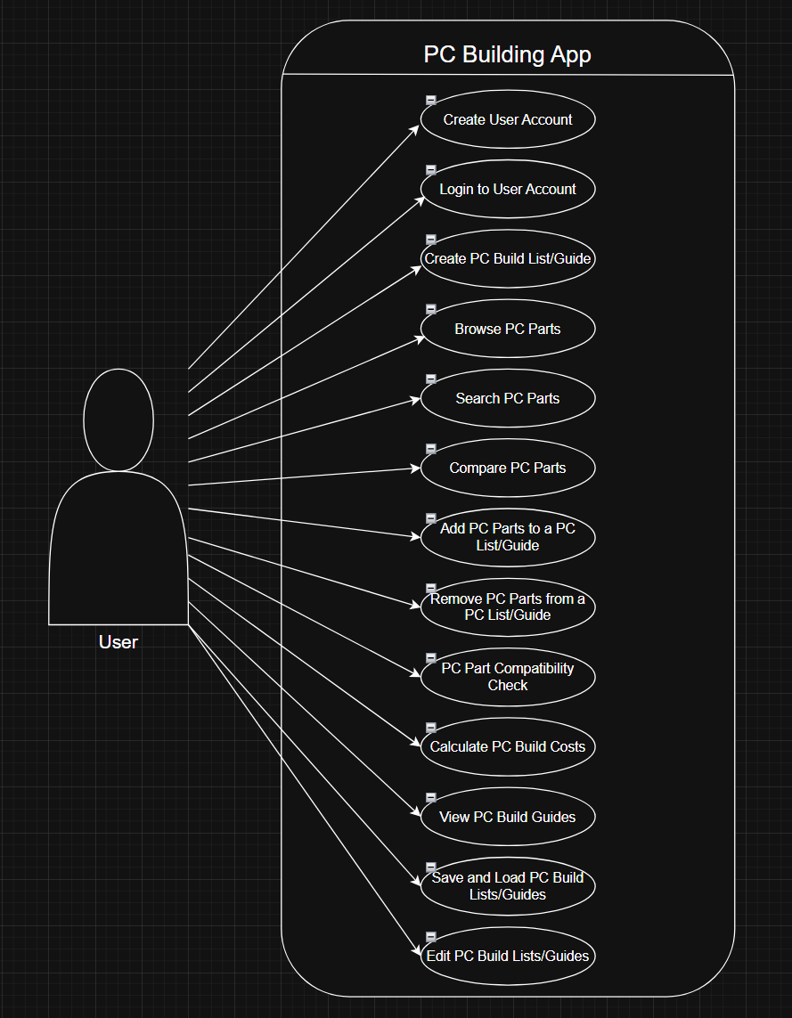
Use Case Diagram

Domain Class Diagram
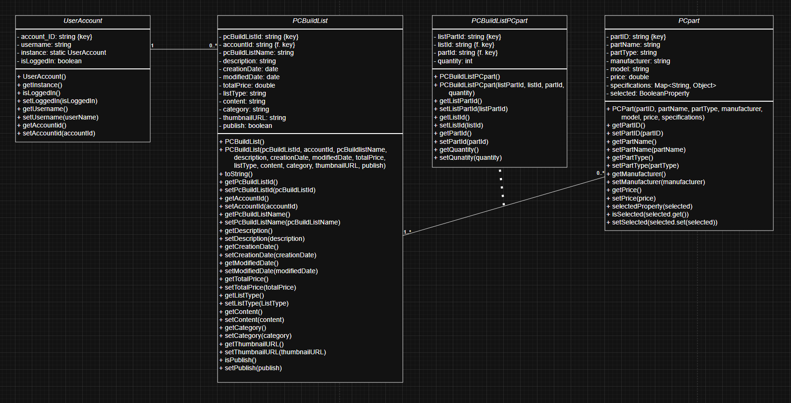
PC Building App Domain Class Diagram | User Account, PC Build List, PC Build List PC part (linking class), PC Part

ERD
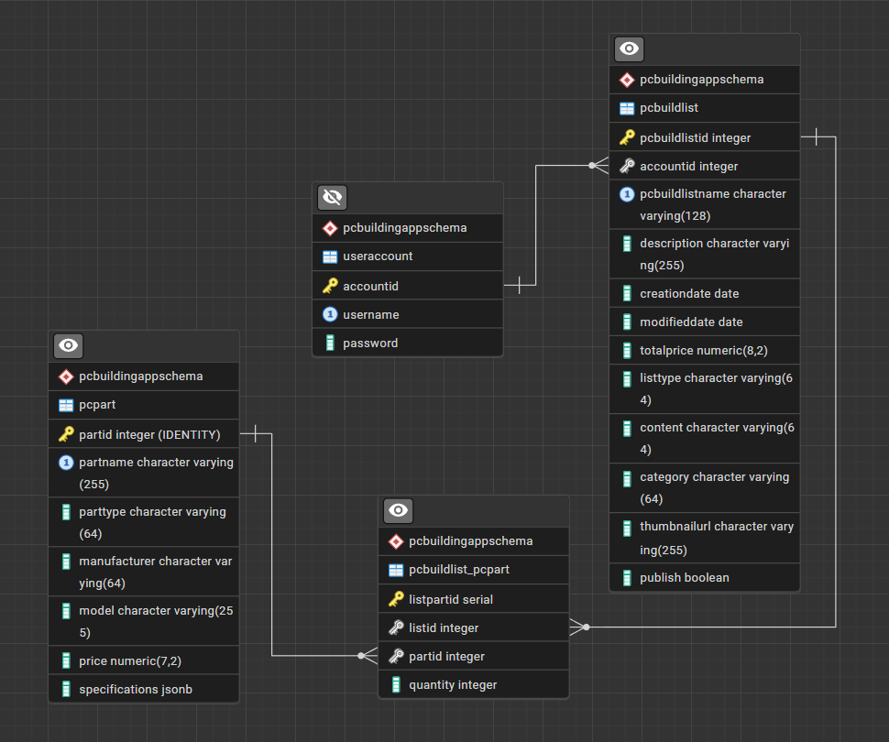
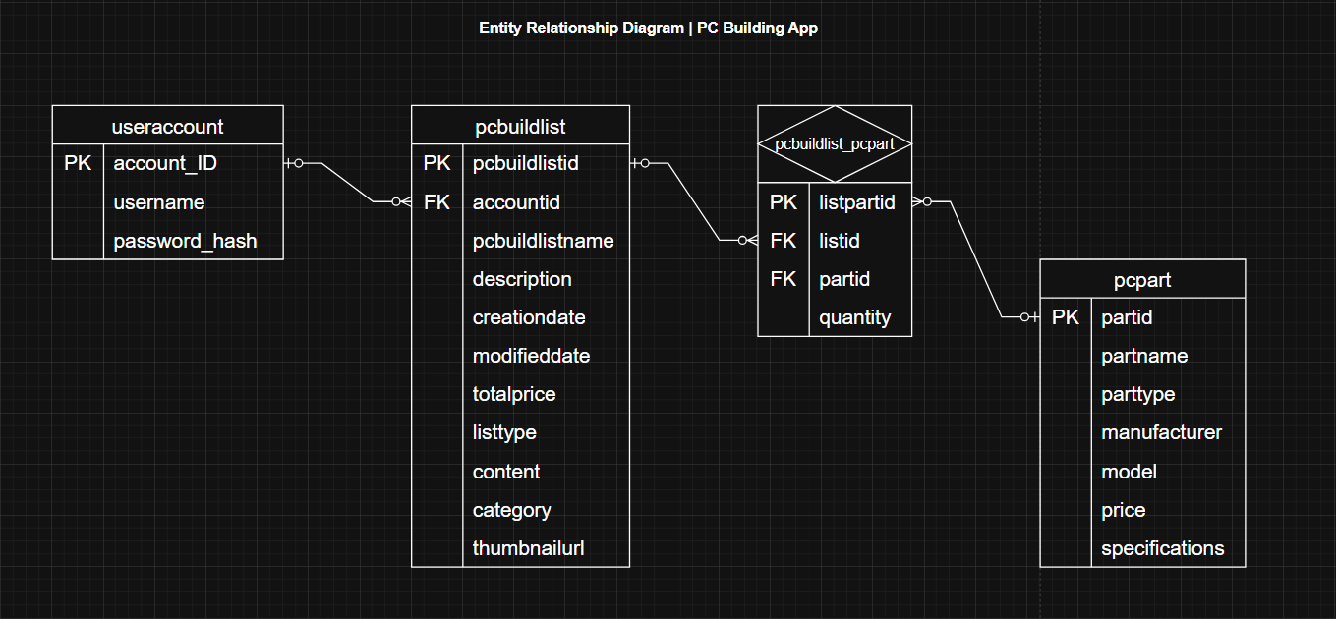
PC Building App ERD Diagram | useraccount, pcbuildlist, pcbuildlist_pcpart (linking table), pcpart. LEFT: Generated from pgAdmin 4 environment. RIGHT: draw.io Diagram.

Activity Diagrams
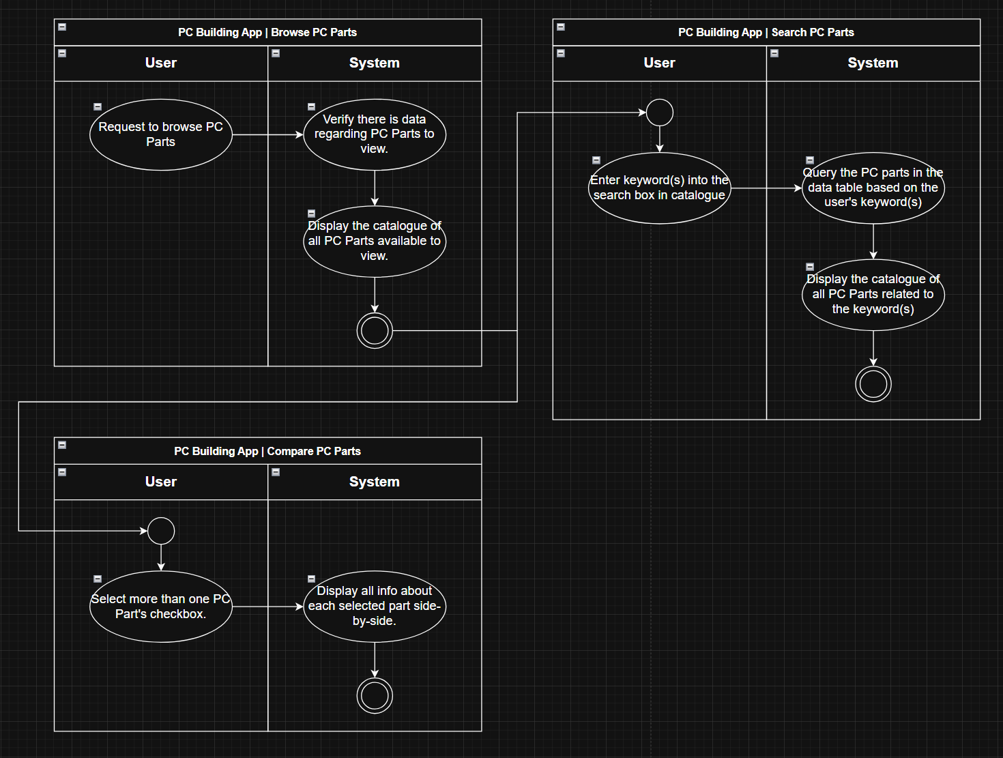
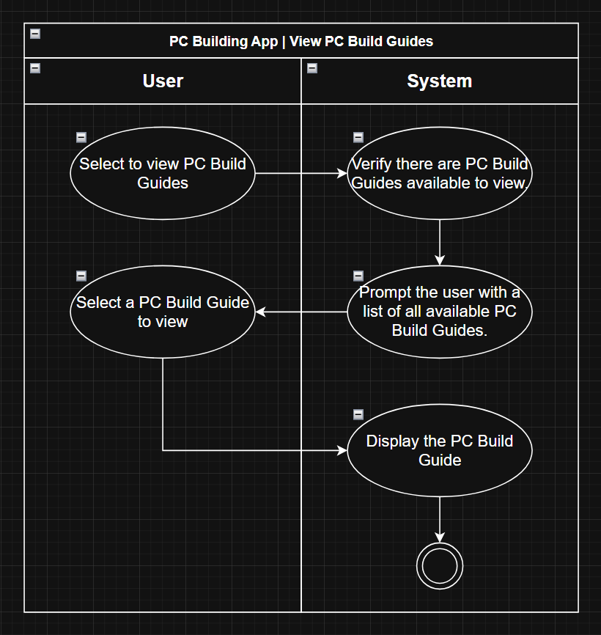
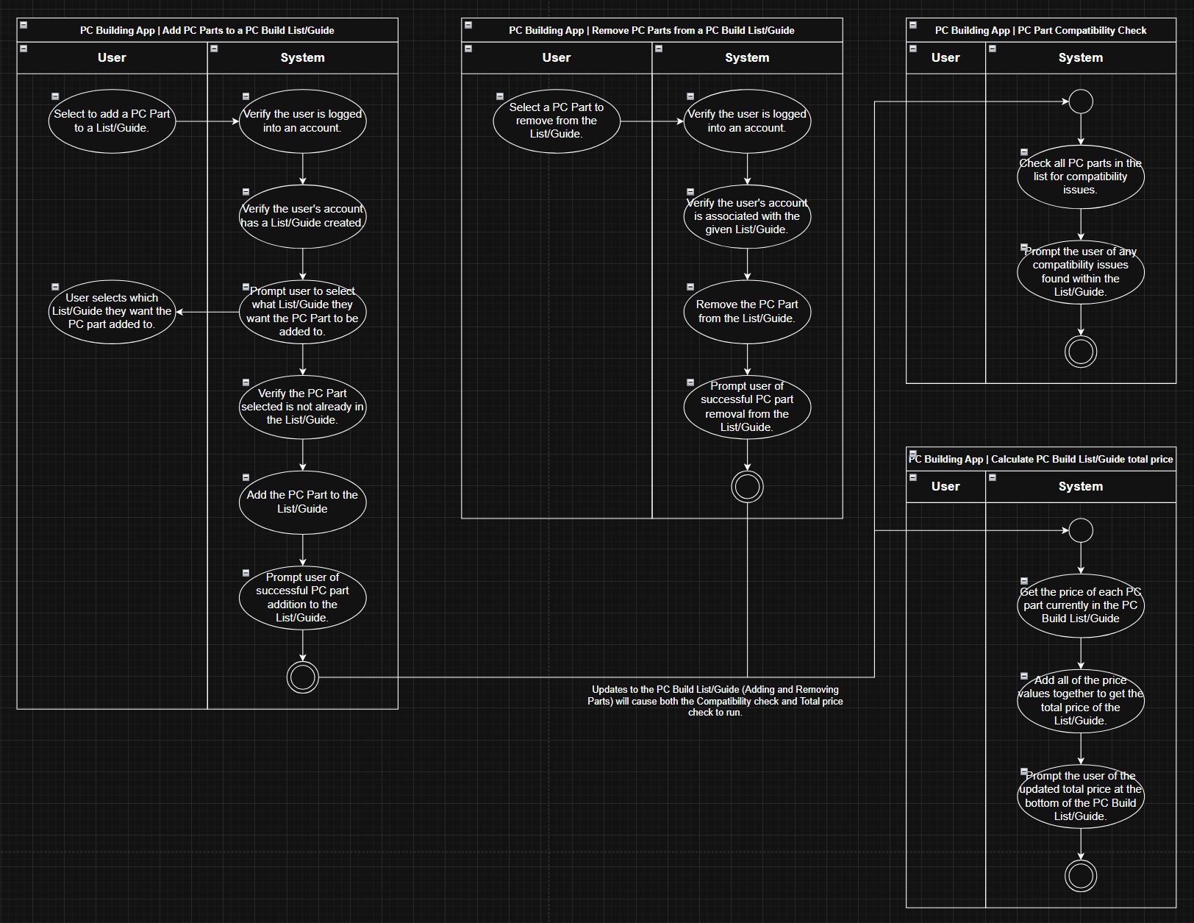
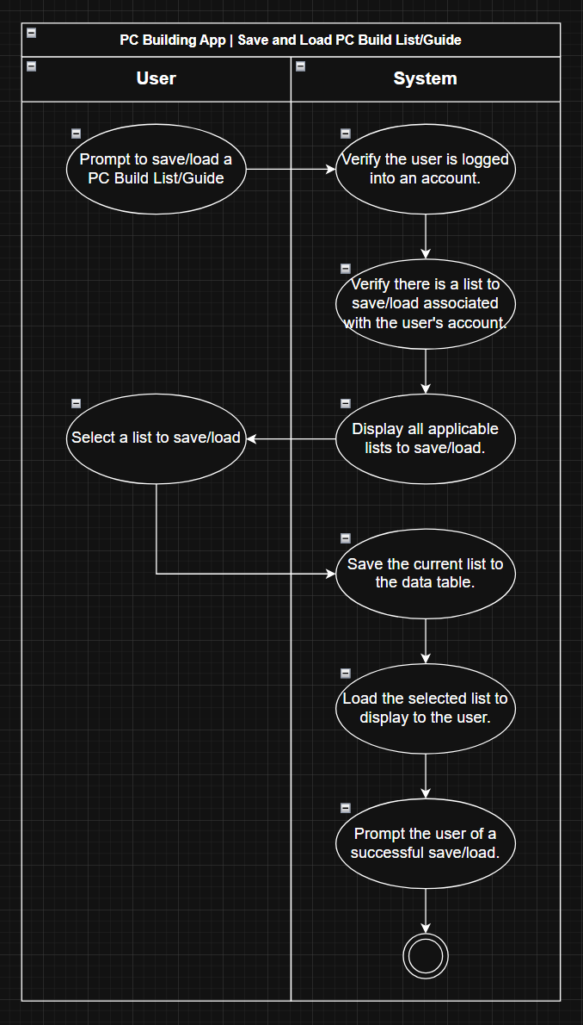
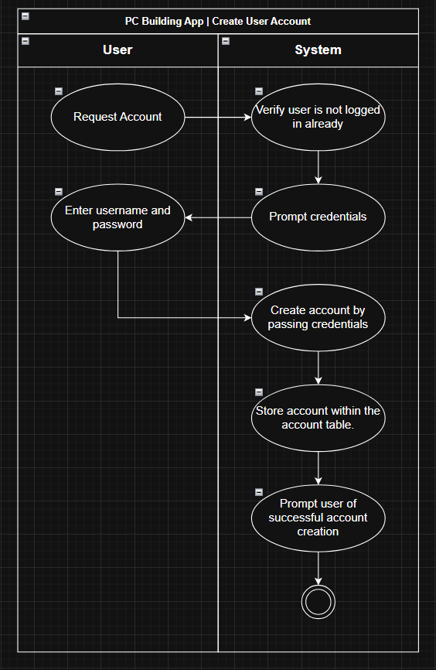
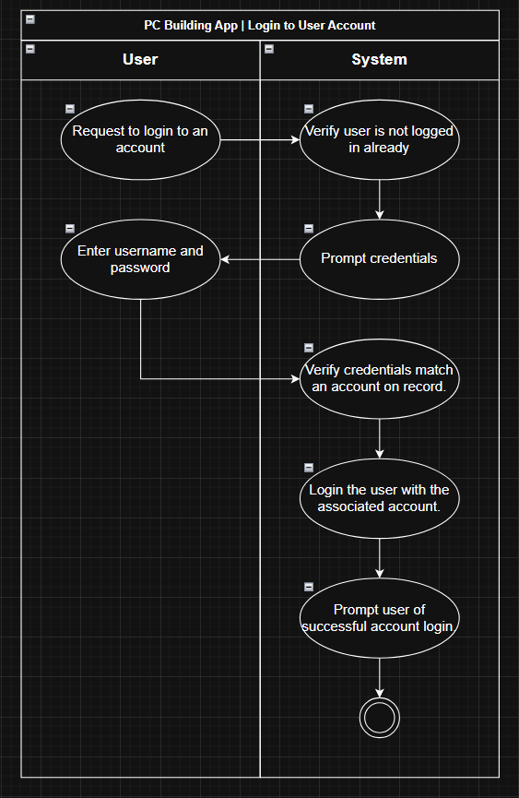
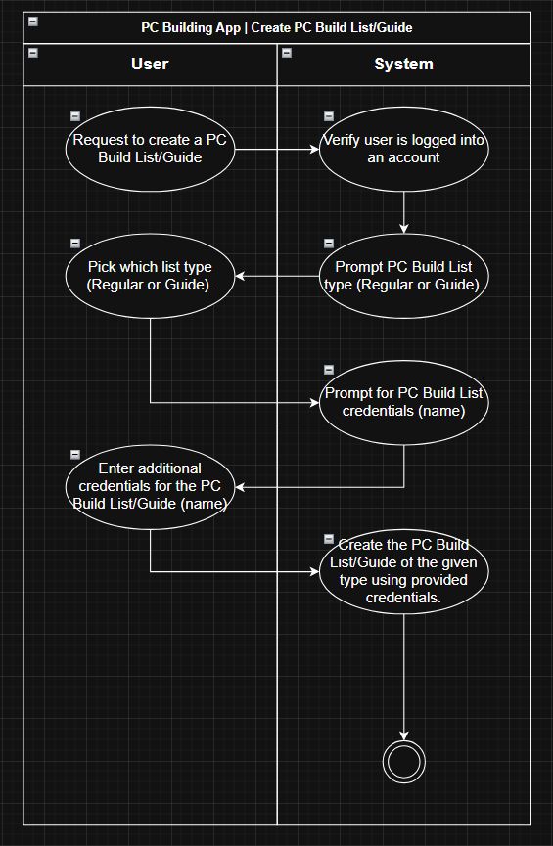
PC Building App | Activity Diagrams (Original)

Sequence Diagrams with Detailed
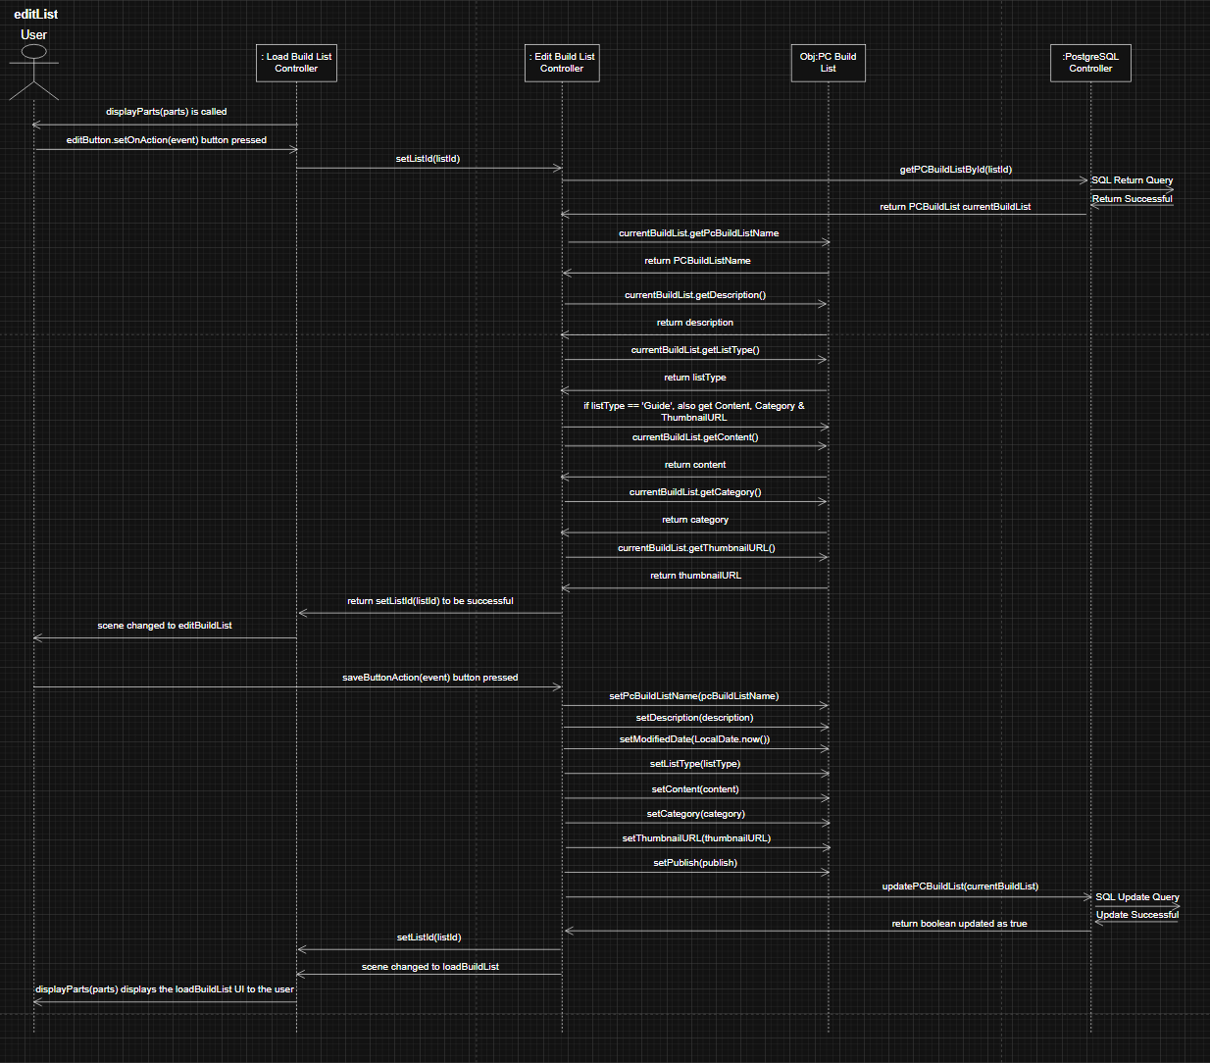
PC Building App: Sequence Diagrams in Detailed Design

Create Account
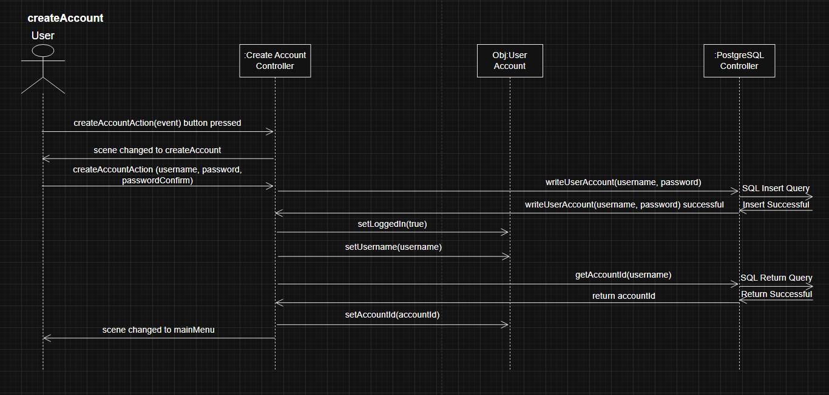

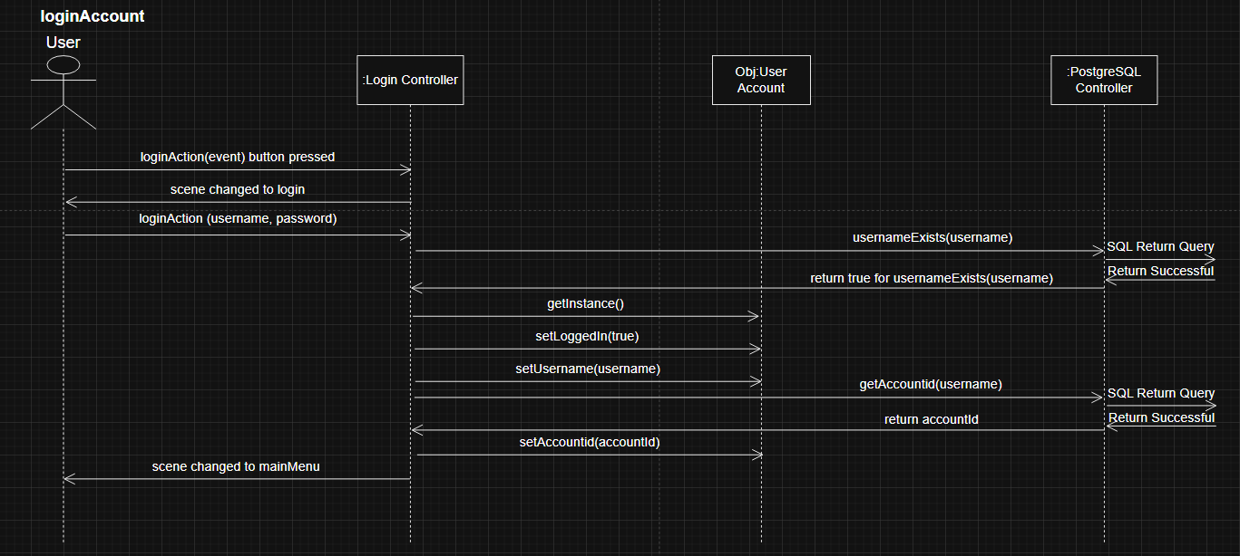
Login Account

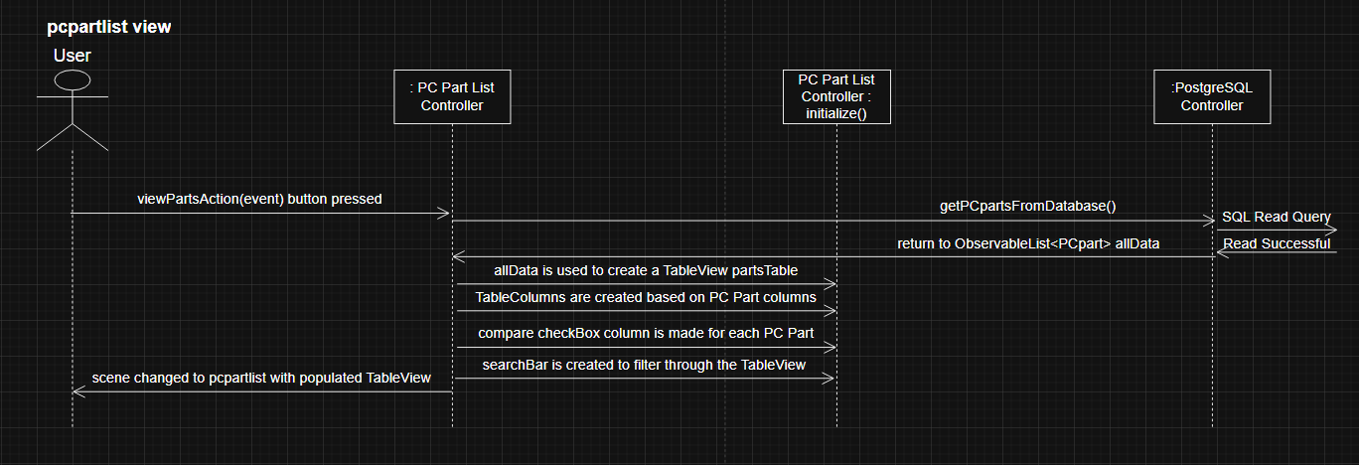
pcpartlist view

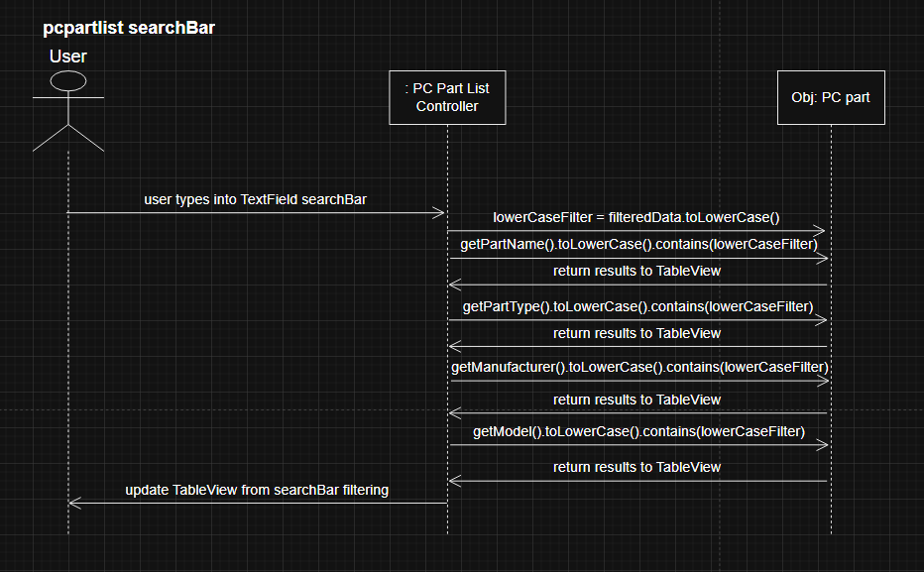
pcpartlist searchBar

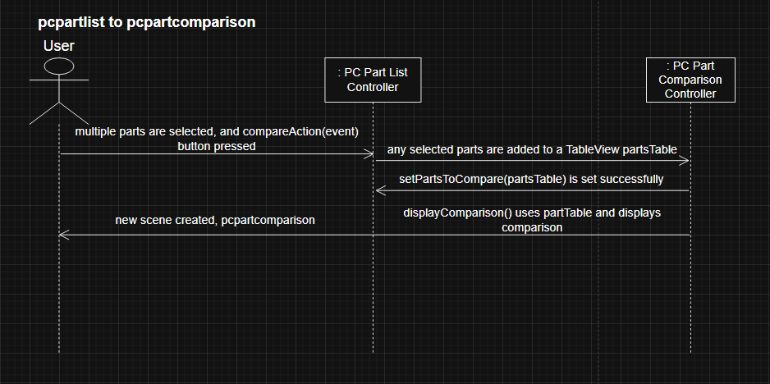
pcpartlist pcpartcomparison

pcpartlist add parts to PC Build List

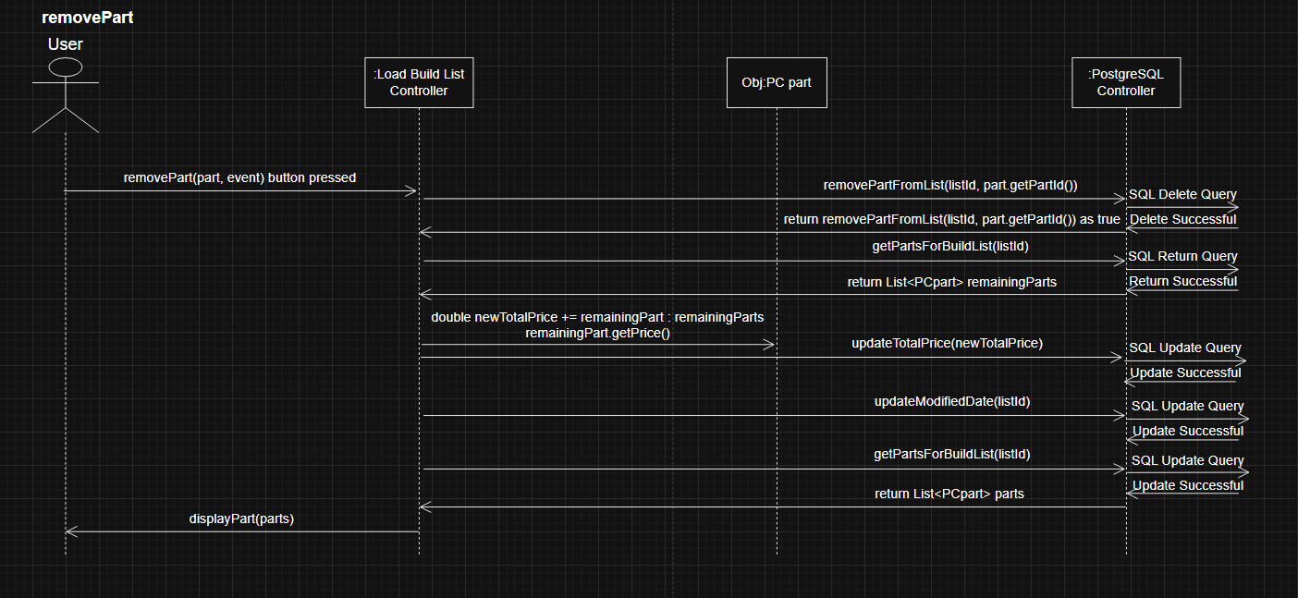
removePart

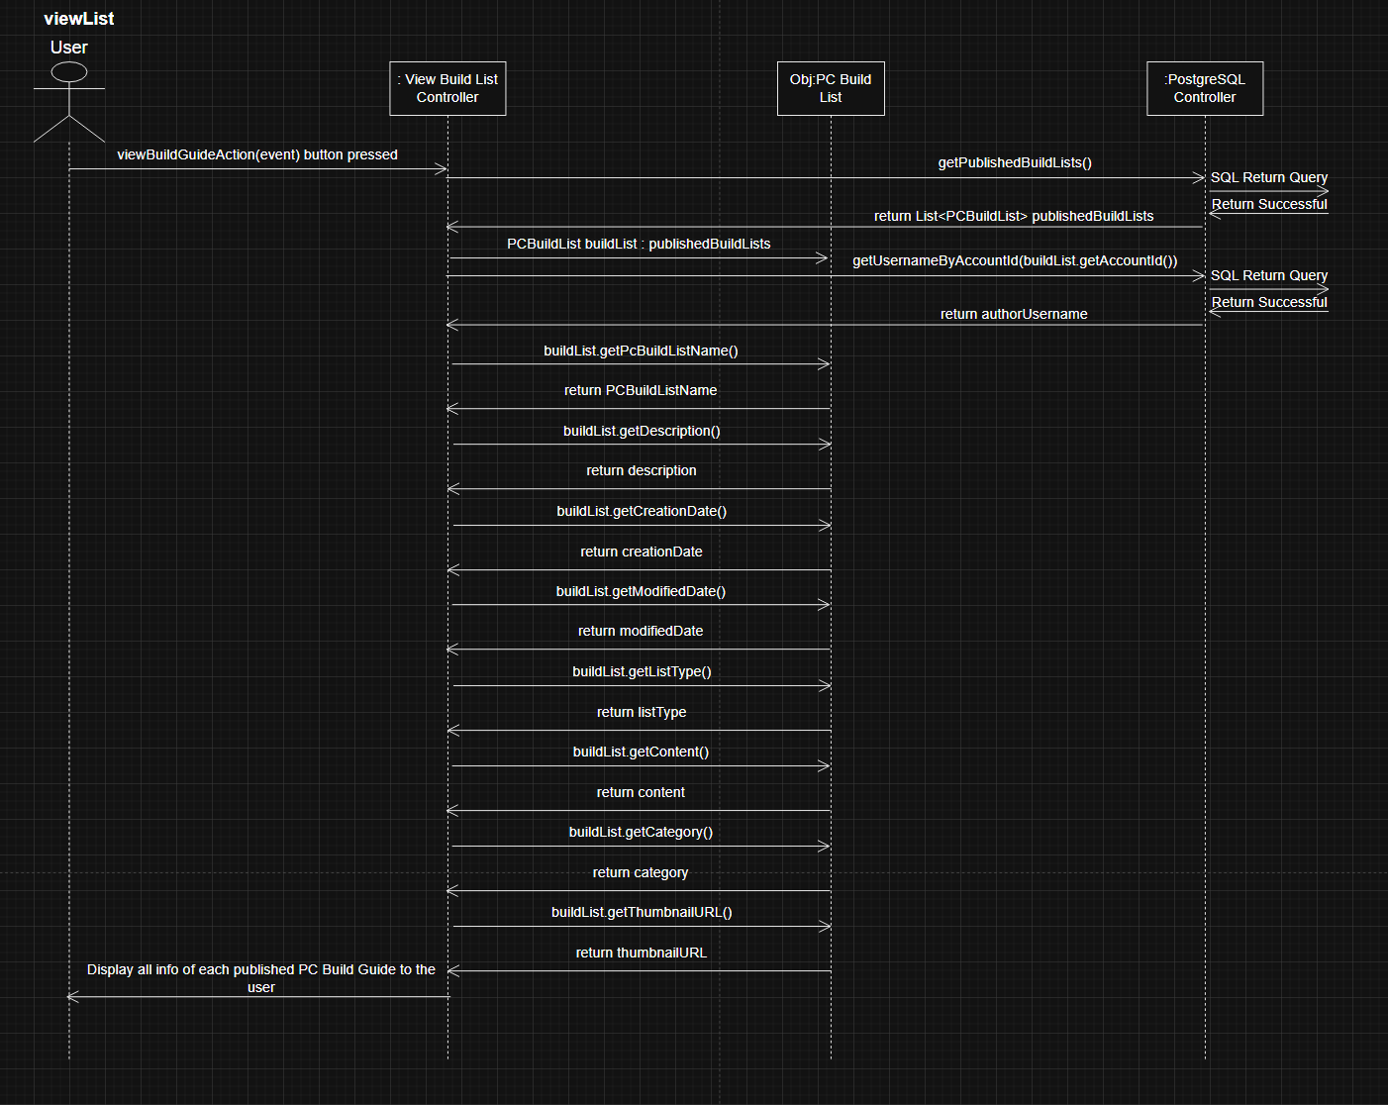
viewList

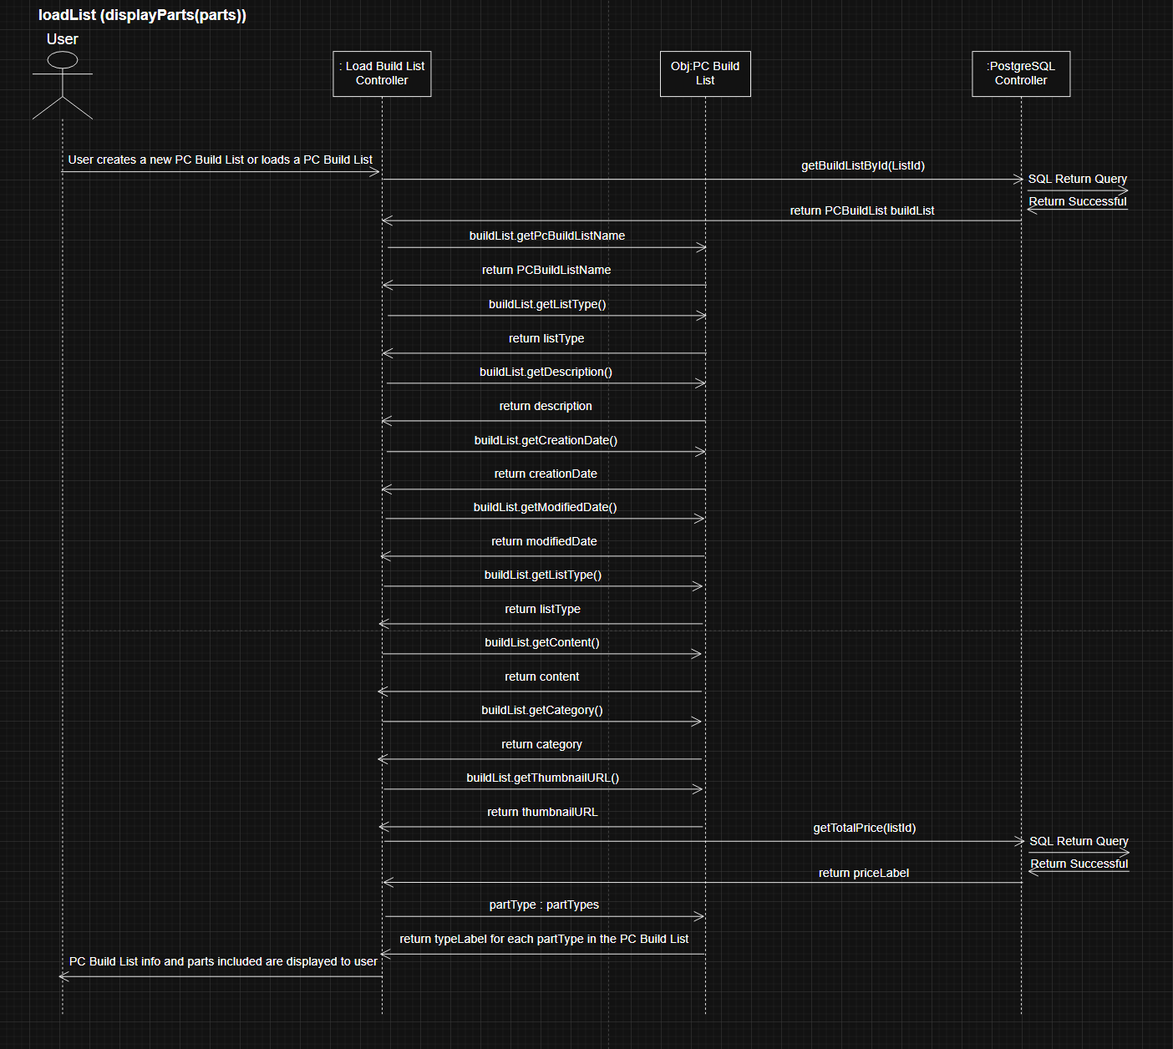
loadList (displayParts(parts))

editList (& save changes)

UI Designs (FXMLs)
PC Building App: UI Designs using FXML files & SceneBuilder

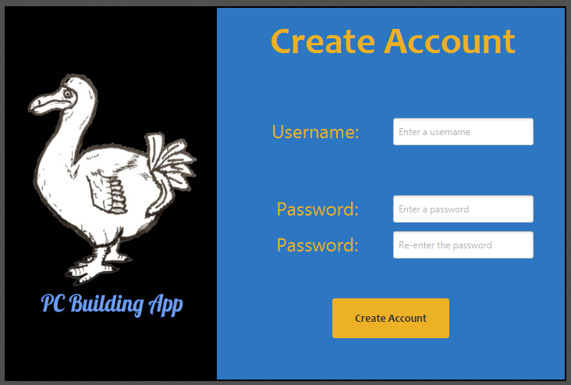
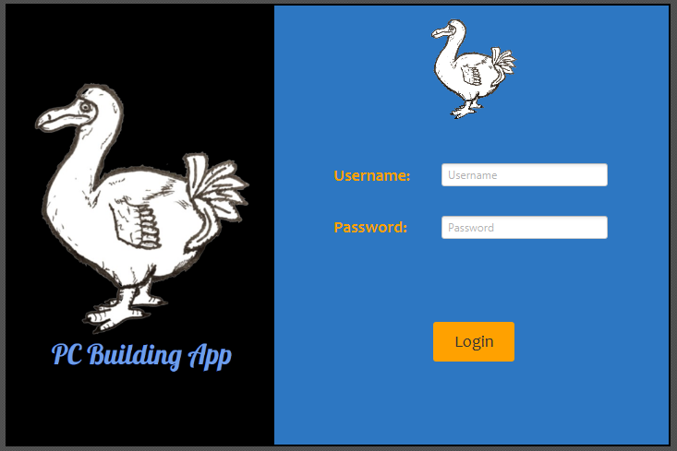
start.fxml | createAccount.fxml |  | loginAccount.fxml
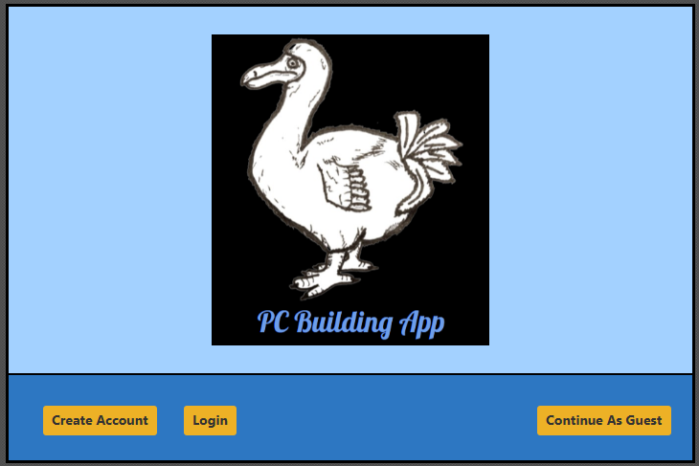

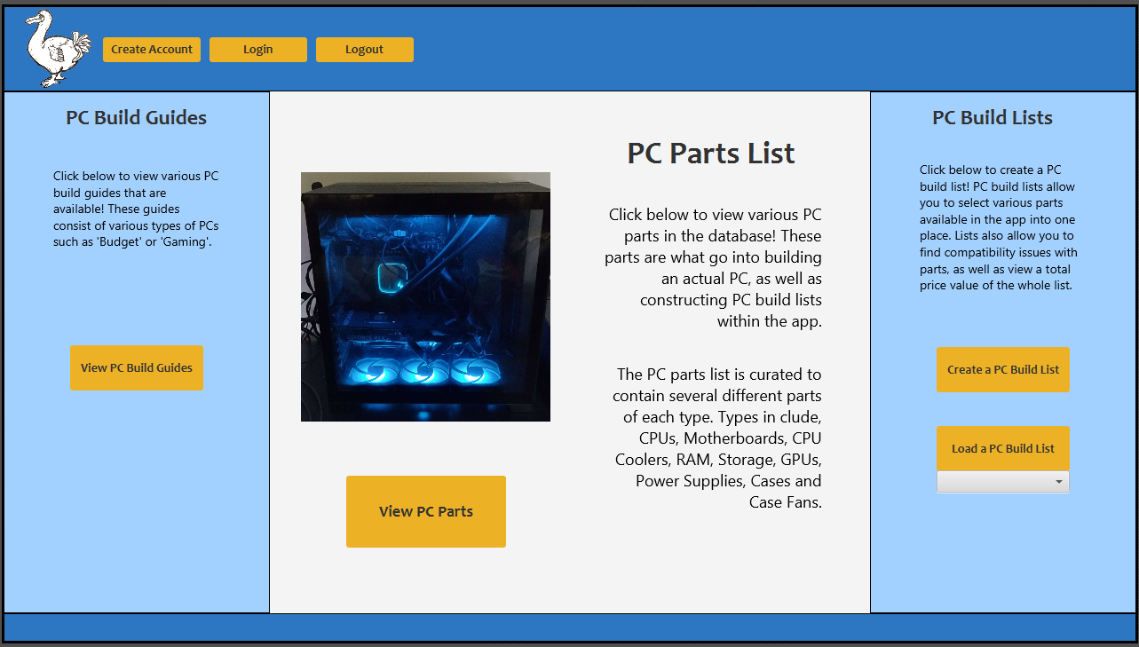
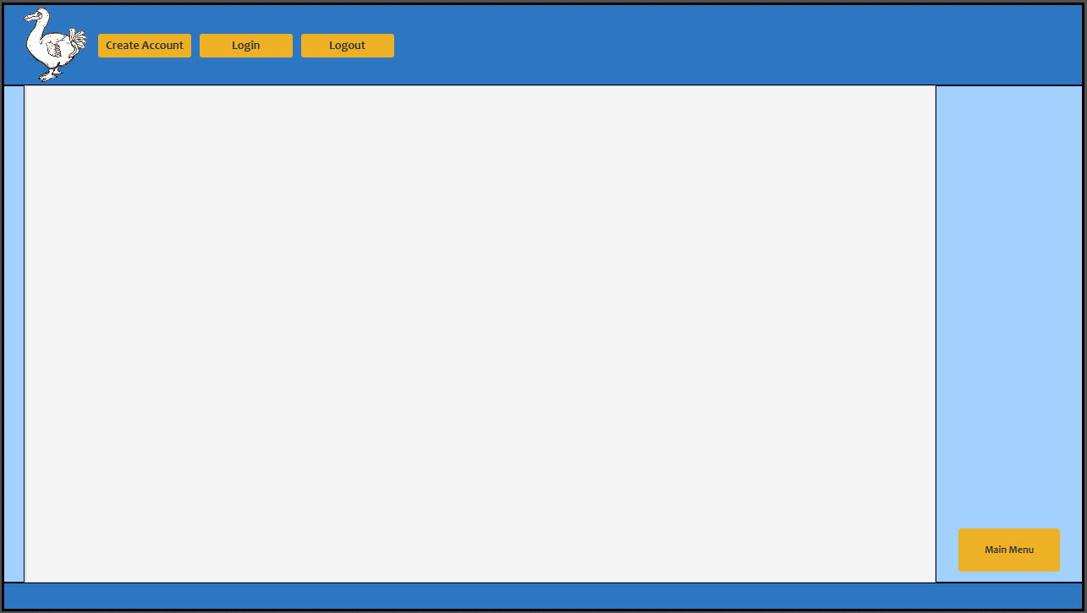
mainMenu.fxml |  | viewBuildList.fxml

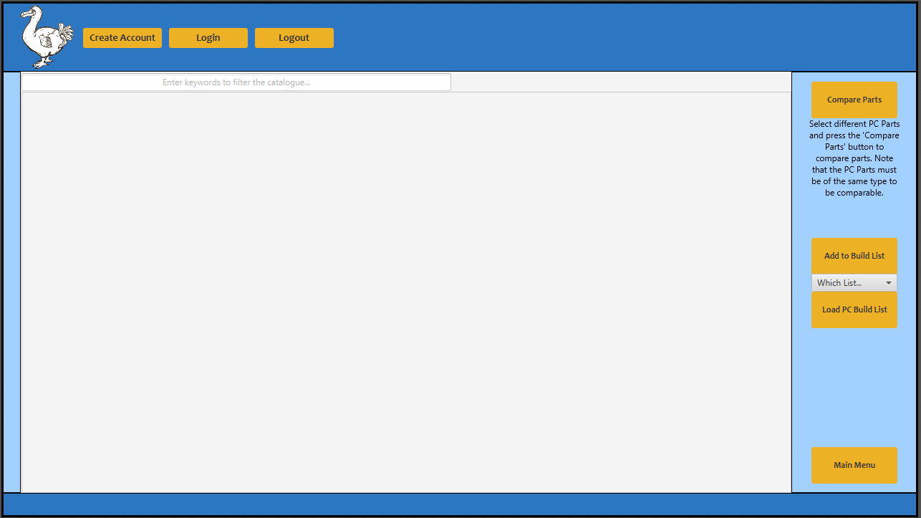
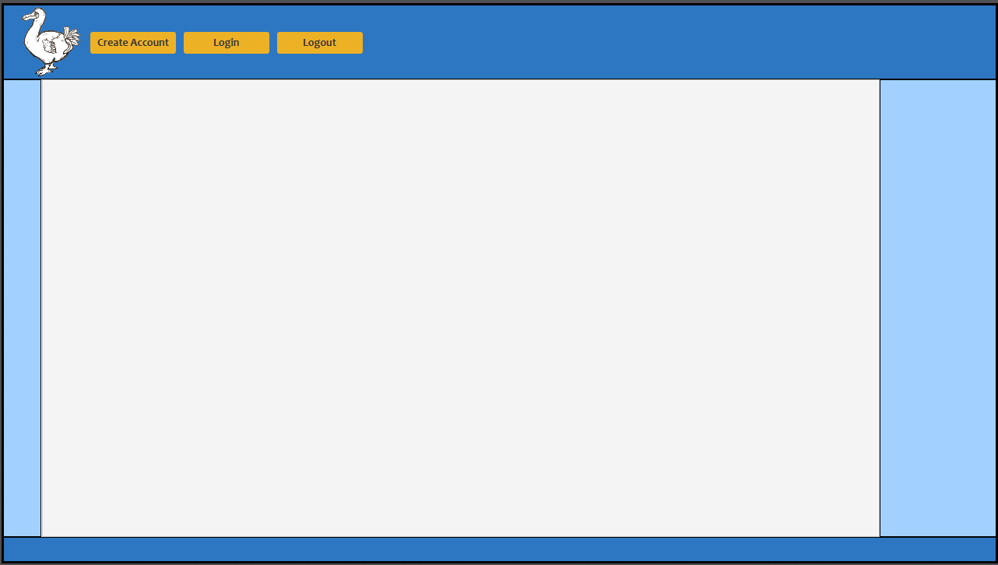
pcpartlist.fxml |  | pcpartcomparison.fxml

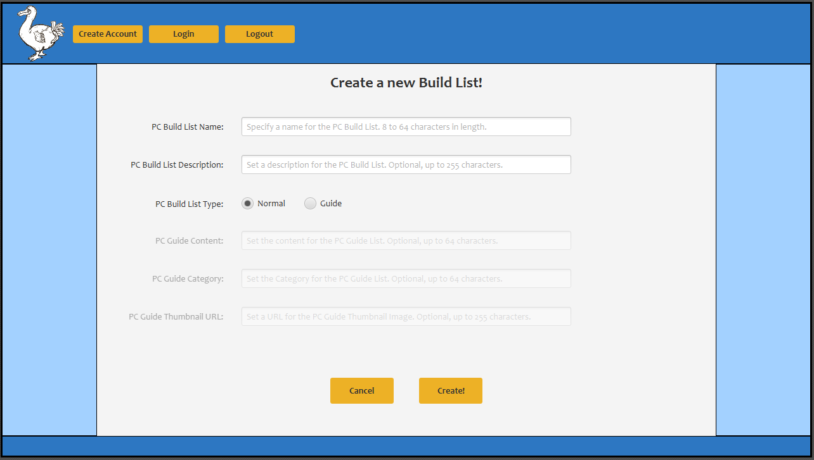
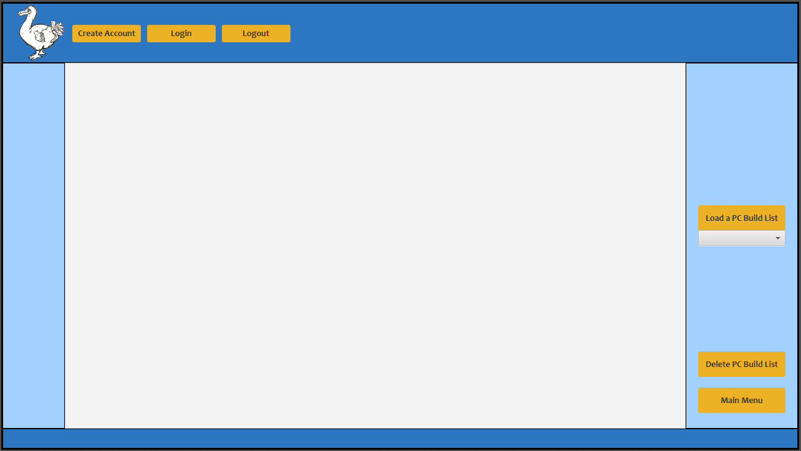
createBuildList.fxml |  | loadBuildList.fxml

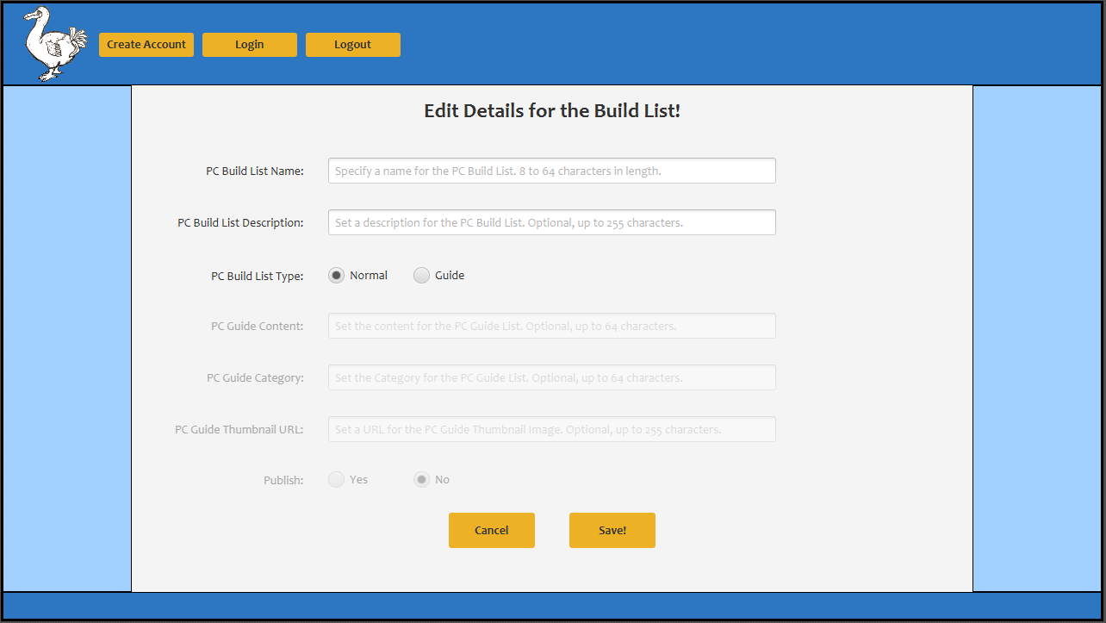
editBuildList.fxml

